MAIN SHEET
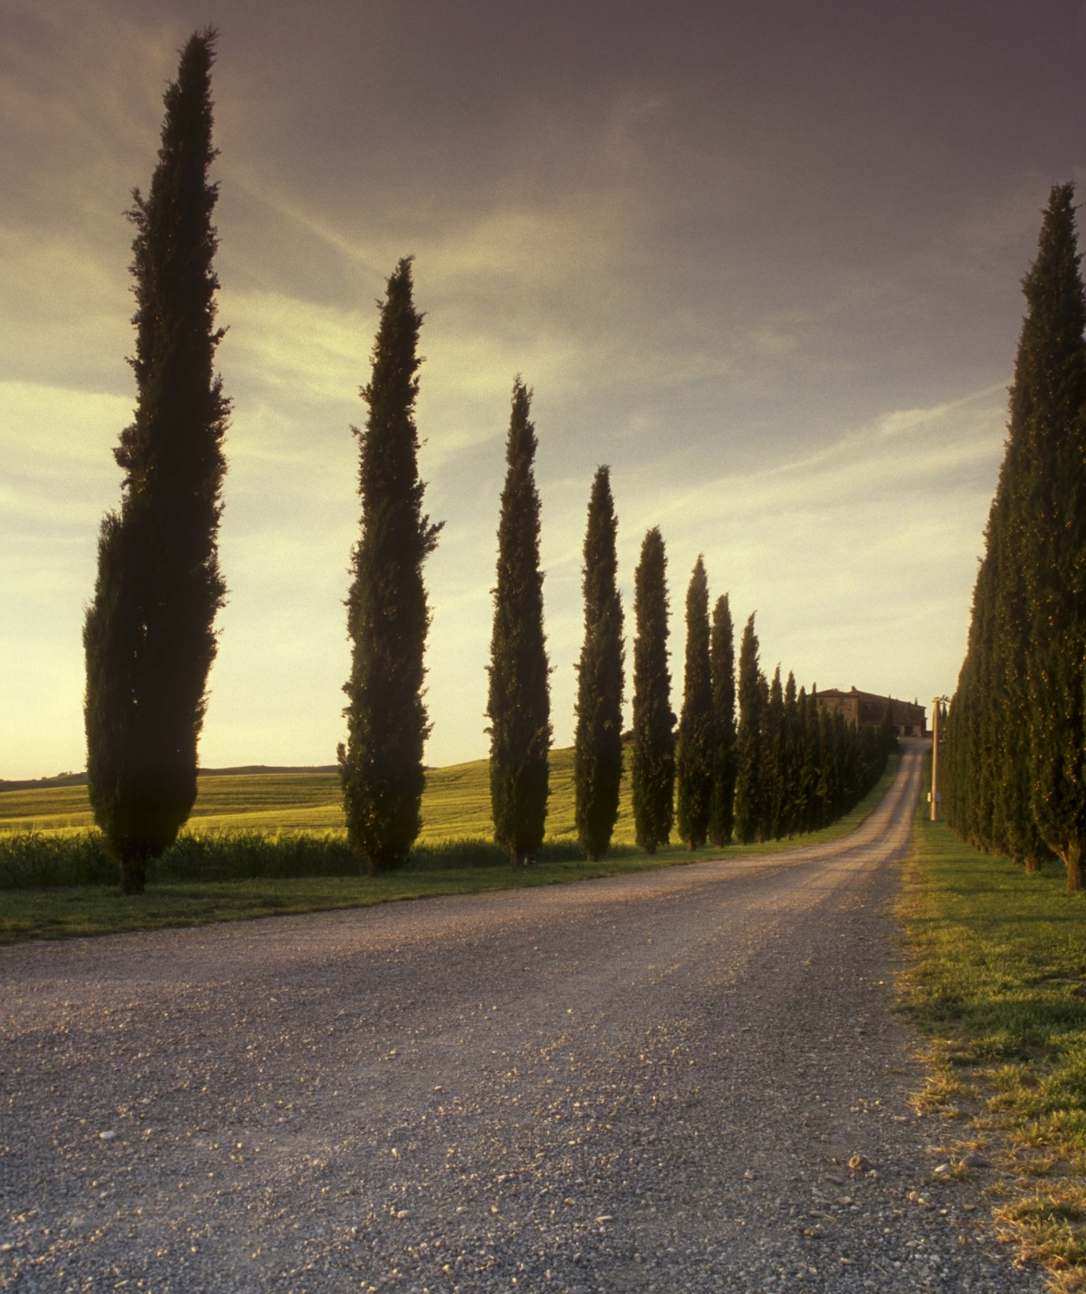
BANK SHEET PROJECT
[PROJECT]
[S4B0434]

SWITCH BOARD
SWITCH BOARD

MAIN SHEET
BANK INFO

ACCOUNT INFO
REPORT's OF ACCOUNTS

DEPOSIT INFO

REPORT's OF DEPOSIT

WITHDRAW INFO

REPORT's OF WITHDRAW

Bank Info
BANK INFORMATION

SWITCH BOARD
Bank ID | Bank Name | Branch Name | Branch Code | Phone No.
1 | HBL | Jannah Bazaar | 1648 | 3457586990
2 | UBL | People's Colony | 1912 | 3001245786
3 | ABL | Bank Square | 1421 | 3001245786
4 | SBL | Wapda Town | 9502 | 3117458965
5 | PBL | Model Towm | 8536 | 3247896340
6 | MCB | Setlite Town | 7423 | 3310002568
7 | JS | Gondlawala | 7423 | 3247495869

Account Info
 | ACCOUNT INFORMATION

SWITCH BOARD
Account No. | Account Type | Bank ID | Bank Name | Branch Name | Total Deposit Amount | Total Withdraw Amount | Available Balance
10428692110 | Current Account | 1 | HBL | Jannah Bazaar | Rs 60,000 | Rs50,000 | Rs10,000
10428962104 | Saving Account | 2 | UBL | People's Colony | Rs 45,000 | Rs35,000 | Rs10,000
10428943525 | Current Account | 3 | ABL | Bank Square | Rs 35,000 | Rs22,000 | Rs13,000
10428643629 | Saving Account | 4 | SBL | Wapda Town | Rs 25,000 | Rs16,000 | Rs9,000
10428952865 | Current Account | 5 | PBL | Model Towm | Rs 20,000 | Rs13,000 | Rs7,000
10428549634 | Saving Account | 6 | MCB | Setlite Town | Rs 17,000 | Rs10,000 | Rs7,000
10428695648 | Current Account | 7 | JS | Gondlawala | Rs 12,000 | Rs5,000 | Rs7,000

Deposit Info
 | DEPOSIT INFORMATION

SWITCH BOARD
Deposit ID | Deposit Date | Account No. | Account Type | Bank ID | Bank Name | Branch Name | Deposit Amount | Mode of Payment
581 | 01-Jan-2018 | 10428692110 | Current Account | 1 | HBL | Jannah Bazaar | Rs 60,000 | CASH
582 | 02-May-2018 | 10428962104 | Saving Account | 2 | UBL | People's Colony | Rs 45,000 | ONLINE
583 | 06-Apr-2018 | 10428943525 | Current Account | 3 | ABL | Bank Square | Rs 35,000 | CHEQUE
584 | 05-Jun-2018 | 10428643629 | Saving Account | 4 | SBL | Wapda Town | Rs 25,000 | ONLINE
586 | 10-Aug-2018 | 10428952865 | Current Account | 5 | PBL | Model Towm | Rs 20,000 | CASH
587 | 19-Sep-2018 | 10428549634 | Saving Account | 6 | MCB | Setlite Town | Rs 17,000 | CHEQUE
588 | 23-Sep-2018 | 10428695648 | Current Account | 7 | JS | Gondlawala | Rs 12,000 | CASH

Withdraw INfo
 | WITHDRAW INFORMATION

SWITCH BOARD
Withdraw ID | Withdraw Date | Account No. | Account Type | Bank ID | Bank Name | Branch Name | Withdraw Amount | Mode of Payment
66 | 1-Sep-2018 | 10428692110 | Current Account | 1 | HBL | Jannah Bazaar | Rs 50,000 | CHEQUE
67 | 3-Aug-2018 | 10428962104 | Saving Account | 2 | UBL | People's Colony | Rs 35,000 | CASH
68 | 28-Jul-2018 | 10428943525 | Current Account | 3 | ABL | Bank Square | Rs 22,000 | ONLINE
69 | 26-Aug-2018 | 10428643629 | Saving Account | 4 | SBL | Wapda Town | Rs 16,000 | CASH
70 | 15-Sep-2018 | 10428952865 | Current Account | 5 | PBL | Model Towm | Rs 13,000 | ONLINE
71 | 20-Sep-2018 | 10428549634 | Saving Account | 6 | MCB | Setlite Town | Rs 10,000 | CHEQUE
72 | 21-Sep-2018 | 10428695648 | Current Account | 7 | JS | Gondlawala | Rs 5,000 | ONLINE

Report of account info
REPORT's OF ACCOUNT
Account No. | (All)
SWITCH BOARD
Bank ID | Bank Name | Branch Name | Total Deposit Amount | Total Withdraw Amount | Sum of Available Balance
1 | HBL | Jannah Bazaar | 60000 | 50000 | 10000
2 | UBL | People's Colony | 45000 | 35000 | 10000
3 | ABL | Bank Square | 35000 | 22000 | 13000
4 | SBL | Wapda Town | 25000 | 16000 | 9000
5 | PBL | Model Towm | 20000 | 13000 | 7000
6 | MCB | Setlite Town | 17000 | 10000 | 7000
7 | JS | Gondlawala | 12000 | 5000 | 7000
(blank) |  |  | (blank) | (blank)
Grand Total |  |  |  |  | 63000

Report of deposit
REPORT's OF DEPOSIT

Account No. | (All)
SWITCH BOARD
Deposit ID | Deposit Date | Account Type | Bank ID | Bank Name | Branch Name | Mode of Payment | Sum of Deposit Amount
581 | 01-Jan-2018 | Current Account | 1 | HBL | Jannah Bazaar | CASH | 60000
582 | 02-May-2018 | Saving Account | 2 | UBL | People's Colony | ONLINE | 45000
583 | 06-Apr-2018 | Current Account | 3 | ABL | Bank Square | CHEQUE | 35000
584 | 05-Jun-2018 | Saving Account | 4 | SBL | Wapda Town | ONLINE | 25000
585 | 10-Aug-2018 | Current Account | 5 | PBL | Model Towm | CASH | 20000
586 | 19-Sep-2018 | Saving Account | 6 | MCB | Setlite Town | CHEQUE | 17000
587 | 23-Sep-2018 | Current Account | 7 | JS | Gondlawala | CASH | 12000
 | (blank) |  |  |  |  | (blank)
Grand Total |  |  |  |  |  |  | 214000

Report of withdraw
REPORT's OF WITHDRAW

Account No. | (All)

SWITCH BOARD
Withdraw ID | Withdraw Date | Account Type | Bank ID | Bank Name | Branch Name | Mode of Payment | Sum of Withdraw Amount
65 | 1-Sep | Current Account | 1 | HBL | Jannah Bazaar | CHEQUE | 50000
66 | 3-Aug | Saving Account | 2 | UBL | People's Colony | CASH | 35000
67 | 28-Jul | Current Account | 3 | ABL | Bank Square | ONLINE | 22000
68 | 26-Aug | Saving Account | 4 | SBL | Wapda Town | CASH | 16000
69 | 15-Sep | Current Account | 5 | PBL | Model Towm | ONLINE | 13000
70 | 20-Sep | Saving Account | 6 | MCB | Setlite Town | CHEQUE | 10000
71 | 21-Sep | Current Account | 7 | JS | Gondlawala | ONLINE | 5000
 | (blank) |  |  |  |  | (blank)
Grand Total |  |  |  |  |  |  | 151000

